Tabelle1
NOD-A1-NP Quantified using NIST 612 as a primary reference Material

[µg/g] | Mg | Ca | Sc | V | Co | Cu | Ga | As | Rb | Sr | Y | Mo | Cd | Sb | Ba | La | Pr | Nd | Sm | Eu | Gd | Tb | Dy | Ho | Er | Tm | Yb | W | Pb | Th | U

Result 1 | 24900 | 85767 | 8.65 | 455 | 2623 | 975 | 14.2 | 343 | 12.7 | 1163 | 82.1 | 312 | 4.53 | 36.0 | 1143 | 82.7 | 17.8 | 74.3 | 16.7 | 3.90 | 17.4 | 2.63 | 16.73 | 3.52 | 10.0 | 1.45 | 9.7 | 67.3 | 1077 | 17.1 | 5.53
Result 2 | 24567 | 87167 | 8.88 | 448 | 2633 | 959 | 14.1 | 341 | 12.5 | 1177 | 82.8 | 311 | 4.42 | 35.3 | 1127 | 83.1 | 17.8 | 73.9 | 16.0 | 3.82 | 17.7 | 2.67 | 16.70 | 3.60 | 10.2 | 1.47 | 10.1 | 68.5 | 1077 | 17.3 | 5.45
Result 3 | 25433 | 87933 | 9.02 | 465 | 2653 | 991 | 14.1 | 350 | 12.5 | 1220 | 85.6 | 321 | 4.42 | 36.0 | 1163 | 86.0 | 18.2 | 76.6 | 17.1 | 3.91 | 17.7 | 2.78 | 17.10 | 3.70 | 10.3 | 1.50 | 10.4 | 70.0 | 1067 | 17.7 | 5.59
Result 4 | 25933 | 91200 | 9.09 | 470 | 2767 | 1020 | 14.6 | 366 | 13.4 | 1230 | 86.5 | 332 | 4.70 | 37.9 | 1207 | 87.3 | 18.3 | 78.0 | 17.1 | 3.97 | 17.7 | 2.79 | 17.52 | 3.69 | 10.6 | 1.53 | 10.4 | 71.2 | 1103 | 17.7 | 5.68
Result 5 | 25067 | 86600 | 8.70 | 460 | 2673 | 987 | 13.6 | 348 | 12.4 | 1163 | 81.1 | 317 | 4.41 | 36.9 | 1130 | 83.2 | 17.7 | 74.2 | 15.9 | 3.87 | 16.7 | 2.65 | 16.70 | 3.50 | 9.9 | 1.46 | 9.6 | 69.6 | 1053 | 16.8 | 5.39
Result 6 | 24733 | 85967 | 8.59 | 451 | 2603 | 971 | 14.2 | 336 | 12.5 | 1173 | 82.0 | 311 | 4.32 | 35.8 | 1137 | 82.5 | 17.8 | 74.2 | 16.2 | 3.86 | 17.3 | 2.66 | 16.57 | 3.56 | 10.1 | 1.44 | 10.0 | 69.1 | 1063 | 17.4 | 5.49
Result 7 | 25567 | 87800 | 9.05 | 458 | 2647 | 991 | 13.7 | 352 | 12.7 | 1183 | 84.9 | 316 | 4.50 | 36.0 | 1160 | 83.6 | 18.1 | 75.9 | 16.7 | 3.90 | 17.2 | 2.74 | 17.18 | 3.61 | 10.2 | 1.46 | 9.8 | 68.6 | 1083 | 17.3 | 5.59

Average | 25171 | 87490 | 8.85 | 458 | 2657 | 985 | 14.1 | 348 | 12.7 | 1187 | 83.6 | 317 | 4.47 | 36.3 | 1152 | 84.0 | 18.0 | 75.3 | 16.5 | 3.89 | 17.4 | 2.70 | 16.9 | 3.60 | 10.2 | 1.48 | 10.0 | 69.2 | 1075 | 17.3 | 5.53
Standard Error | 186 | 694 | 0.08 | 3 | 20 | 7 | 0.1 | 4 | 0.1 | 10 | 0.8 | 3 | 0.05 | 0.3 | 10 | 0.7 | 0.1 | 0.6 | 0.2 | 0.02 | 0.1 | 0.02 | 0.1 | 0.03 | 0.1 | 0.01 | 0.1 | 0.5 | 6 | 0.1 | 0.04
Expansion Factor [k] | 2 | 2 | 2 | 2 | 2 | 2 | 2 | 2 | 2 | 2 | 2.0 | 2 | 2 | 2 | 2 | 2 | 2 | 2 | 2 | 2 | 2 | 2 | 2 | 2 | 2 | 2 | 2 | 2 | 2 | 2 | 2
Expanded Uncertainty | 371 | 1389 | 0.16 | 6 | 40 | 15 | 0.3 | 7 | 0.3 | 20 | 1.6 | 6 | 0.09 | 0.7 | 21 | 1.4 | 0.2 | 1.2 | 0.4 | 0.04 | 0.3 | 0.05 | 0.3 | 0.06 | 0.2 | 0.02 | 0.3 | 0.9 | 12 | 0.2 | 0.07
Relative expanded Uncertainty [95% CL] | 1.5 | 1.6 | 1.8 | 1.3 | 1.5 | 1.5 | 1.9 | 2.1 | 2.0 | 1.7 | 1.9 | 1.8 | 2.0 | 1.8 | 1.8 | 1.6 | 1.1 | 1.6 | 2.3 | 0.9 | 1.7 | 1.8 | 1.5 | 1.6 | 1.6 | 1.6 | 2.6 | 1.4 | 1.1 | 1.4 | 1.3
Horwitz RSD [%] | 3.5 | 2.9 | 11.5 | 6.4 | 4.9 | 5.7 | 10.7 | 6.6 | 10.9 | 5.5 | 8.2 | 6.7 | 12.8 | 9.3 | 5.5 | 8.2 | 10.4 | 8.3 | 10.5 | 13.0 | 10.4 | 13.8 | 10.5 | 13.2 | 11.3 | 15.1 | 11.3 | 8.5 | 5.6 | 10.4 | 12.4
Horwitz Ratio [HORRAT] | 0.4 | 0.5 | 0.2 | 0.2 | 0.3 | 0.3 | 0.2 | 0.3 | 0.2 | 0.3 | 0.2 | 0.3 | 0.2 | 0.2 | 0.3 | 0.2 | 0.1 | 0.2 | 0.2 | 0.1 | 0.2 | 0.1 | 0.1 | 0.1 | 0.1 | 0.1 | 0.2 | 0.2 | 0.2 | 0.1 | 0.1

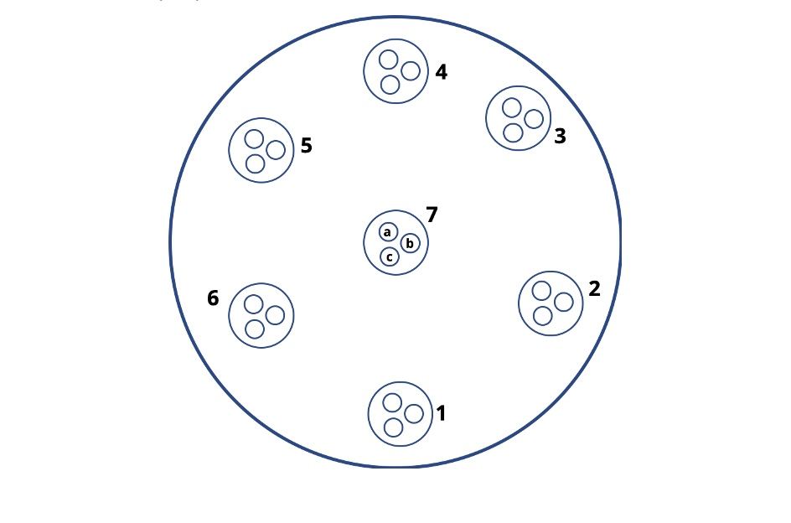
 |  |  |  |  |  |  |  |  |  |  | The results listed above are the average of 3 measurements performed in 7 designated areas throughout the pellet's surface
 |  |  |  |  |  |  |  |  |  |  | The total number of measurements is 21
 |  |  |  |  |  |  |  |  |  |  | HORRAT of ≤ 1 is set as a benchmark for a usable reproducibility

 |  |  |  |  |  |  |  |  |  |  | These data are intended to illustrate an achievable reproducibiity. For calibration and validation purposes please use the values from the product information sheet

 |  |  |  |  |  |  |  |  |  |  | HORRAT = Measured Relative Standard Deviation / Calculated Relative Standard Deviation using the Horwitz equation

 |  |  |  |  |  |  |  |  |  |  | Horwitz, W., Albert, R. (1995). Precision in analytical measurements: Expected values and
 |  |  |  |  |  |  |  |  |  |  |  | and consequences in geochemical analyses. Fresenius Journal of Analytcal Chemistry.
 |  |  |  |  |  |  |  |  |  |  |  | 351:507-513

 |  |  |  |  |  |  |  |  |  |  | Analytical setup

 |  |  |  |  |  |  |  |  |  |  | ICP-MS |  | AttomES HR-ICP-MS, Nu Instruments

 |  |  |  |  |  |  |  |  |  |  | Laser Ablation |  | Resonetics RESOlution M-50-LR 193nm eximer laser.
 |  |  |  |  |  |  |  |  |  |  |  |  | Spot size | 48um
 |  |  |  |  |  |  |  |  |  |  |  |  | Frequency | 5 Hz
 |  |  |  |  |  |  |  |  |  |  |  |  | Fluence | 2.5 J/cm3
 |  |  |  |  |  |  |  |  |  |  |  |  | Ablation time | 40 s
 |  |  |  |  |  |  |  |  |  |  |  |  | Gas blank | 13 s
 |  |  |  |  |  |  |  |  |  |  |  |  | Scan mode | Linked scan
 |  |  |  |  |  |  |  |  |  |  |  |  | Total cycles | 550

 |  |  |  |  |  |  |  |  |  |  | Quantification |  | NIST610

 |  |  |  |  |  |  |  |  |  |  | Internal standard |  | Na

 |  |  |  |  |  |  |  |  |  |  | Data evaluation |  | Iolite 4

 |  |  |  |  |  |  |  |  |  |  | Data were acquired at the University of Bergen, Norway.
 |  |  |  |  |  |  |  |  |  |  | We would like to thank Siv Hjorth Dundas for providing it.
Copyright © 2021 myStandards GmbH. All Rights Reserved.

