Tabelle1
NOD-P1-NP Quantified using NIST 612 as a primary reference Material

[µg/g] | Mg | Ca | Sc | V | Co | Cu | Ga | As | Rb | Sr | Y | Mo | Cd | Sb | Cs | Ba | La | Ce | Pr | Nd | Sm | Eu | Gd | Tb | Dy | Ho | Er | Tm | Yb | Lu | W | Pb | Th | U

Result 1 | 18633 | 19167 | 8.13 | 412 | 2077 | 10933 | 31.1 | 117 | 30.0 | 520 | 67.7 | 707 | 16.1 | 61.9 | 2.15 | 2220 | 86.4 | 263 | 25.2 | 107 | 26.4 | 6.53 | 23.7 | 3.72 | 20.1 | 4.09 | 11.2 | 1.58 | 11 | 1.53 | 67.8 | 618 | 13.5 | 3.94
Result 2 | 18600 | 18900 | 7.98 | 409 | 2073 | 10900 | 30.9 | 114 | 29.5 | 512 | 66.0 | 699 | 16.1 | 61.6 | 2.16 | 2173 | 84.4 | 260 | 25.0 | 104 | 25.1 | 6.23 | 23.5 | 3.68 | 19.6 | 3.87 | 10.5 | 1.47 | 10 | 1.49 | 65.8 | 609 | 13.0 | 3.74
Result 3 | 18467 | 18700 | 7.77 | 409 | 2093 | 10933 | 30.5 | 118 | 30.0 | 500 | 64.6 | 713 | 15.9 | 61.6 | 2.19 | 2137 | 83.3 | 259 | 24.1 | 103 | 25.2 | 6.29 | 22.5 | 3.57 | 19.7 | 3.84 | 10.3 | 1.46 | 10 | 1.46 | 67.2 | 618 | 12.9 | 3.74
Result 4 | 18200 | 18867 | 7.97 | 400 | 2107 | 10767 | 30.3 | 118 | 29.4 | 500 | 64.1 | 692 | 15.6 | 59.9 | 2.15 | 2087 | 82.7 | 252 | 23.7 | 104 | 25.1 | 5.99 | 22.6 | 3.61 | 19.3 | 3.77 | 10.3 | 1.48 | 10 | 1.45 | 65.5 | 606 | 12.9 | 3.76
Result 5 | 18167 | 19067 | 7.90 | 406 | 2090 | 10800 | 30.6 | 115 | 29.6 | 504 | 64.4 | 694 | 15.5 | 60.5 | 2.23 | 2153 | 83.8 | 259 | 24.3 | 104 | 24.9 | 6.32 | 22.1 | 3.67 | 20.2 | 3.86 | 10.6 | 1.55 | 11 | 1.45 | 68.9 | 616 | 13.0 | 3.84
Result 6 | 18800 | 19567 | 8.11 | 415 | 2080 | 10900 | 31.2 | 117 | 30.5 | 512 | 67.1 | 713 | 16.1 | 61.2 | 2.23 | 2203 | 87.8 | 268 | 25.4 | 110 | 25.5 | 6.55 | 23.7 | 3.73 | 20.5 | 4.07 | 10.8 | 1.59 | 11 | 1.56 | 70.1 | 636 | 14.1 | 3.98
Result 7 | 18733 | 19300 | 8.14 | 410 | 2067 | 10867 | 31.0 | 116 | 29.3 | 515 | 66.5 | 689 | 15.8 | 59.9 | 2.10 | 2150 | 84.6 | 262 | 24.5 | 106 | 25.3 | 6.33 | 22.9 | 3.56 | 20.0 | 3.90 | 10.8 | 1.56 | 11 | 1.51 | 67.2 | 611 | 13.4 | 3.83

Average | 18514 | 19081 | 8.00 | 409 | 2084 | 10871 | 30.8 | 117 | 29.8 | 509 | 65.8 | 701 | 15.9 | 60.9 | 2.17 | 2160 | 84.7 | 260 | 24.6 | 105 | 25.3 | 6.32 | 23.0 | 3.65 | 19.9 | 3.91 | 10.6 | 1.53 | 10.6 | 1.49 | 67.5 | 616 | 13.3 | 3.83
Standard Error | 94 | 111 | 0.05 | 2 | 5 | 25 | 0.1 | 1 | 0.2 | 3 | 0.5 | 4 | 0.1 | 0.3 | 0.02 | 17 | 0.7 | 2 | 0.2 | 1 | 0.2 | 0.07 | 0.2 | 0.03 | 0.1 | 0.05 | 0.1 | 0.02 | 0.1 | 0.02 | 0.6 | 4 | 0.2 | 0.04
Expansion Factor [k] | 2 | 2 | 2 | 2 | 2 | 2 | 2 | 2 | 2 | 2 | 2 | 2 | 2 | 2 | 2 | 2 | 2 | 2 | 2 | 2 | 2 | 2 | 2 | 2 | 2 | 2 | 2 | 2 | 2 | 2 | 2 | 2 | 2 | 2
Expanded Uncertainty | 188 | 222 | 0.11 | 4 | 10 | 49 | 0.3 | 1 | 0.3 | 6 | 1.1 | 8 | 0.2 | 0.6 | 0.03 | 33 | 1.4 | 4 | 0.5 | 2 | 0.4 | 0.14 | 0.5 | 0.05 | 0.3 | 0.09 | 0.2 | 0.04 | 0.2 | 0.03 | 1.2 | 7 | 0.3 | 0.07
Relative expanded Uncertainty [95% CL] | 1.0 | 1.2 | 1.3 | 0.9 | 0.5 | 0.5 | 0.9 | 0.9 | 1.1 | 1.1 | 1.6 | 1.1 | 1.2 | 1.0 | 1.6 | 1.5 | 1.6 | 1.4 | 1.9 | 1.9 | 1.5 | 2.3 | 2.1 | 1.5 | 1.5 | 2.3 | 2.2 | 2.7 | 2.1 | 2.2 | 1.8 | 1.2 | 2.5 | 1.9
Horwitz RSD [%] | 3.6 | 3.6 | 11.7 | 6.5 | 5.1 | 3.9 | 9.5 | 7.8 | 9.6 | 6.3 | 8.5 | 6.0 | 10.6 | 8.6 | 14.2 | 5.0 | 8.2 | 6.9 | 9.9 | 7.9 | 9.8 | 12.1 | 10.0 | 13.2 | 10.2 | 13.0 | 11.2 | 15.0 | 11.2 | 15.1 | 8.5 | 6.1 | 10.8 | 13.1
Horwitz Ratio [HORRAT] | 0.3 | 0.3 | 0.1 | 0.1 | 0.1 | 0.1 | 0.1 | 0.1 | 0.1 | 0.2 | 0.2 | 0.2 | 0.1 | 0.1 | 0.1 | 0.3 | 0.2 | 0.2 | 0.2 | 0.2 | 0.2 | 0.2 | 0.2 | 0.1 | 0.1 | 0.2 | 0.2 | 0.2 | 0.2 | 0.1 | 0.2 | 0.2 | 0.2 | 0.1

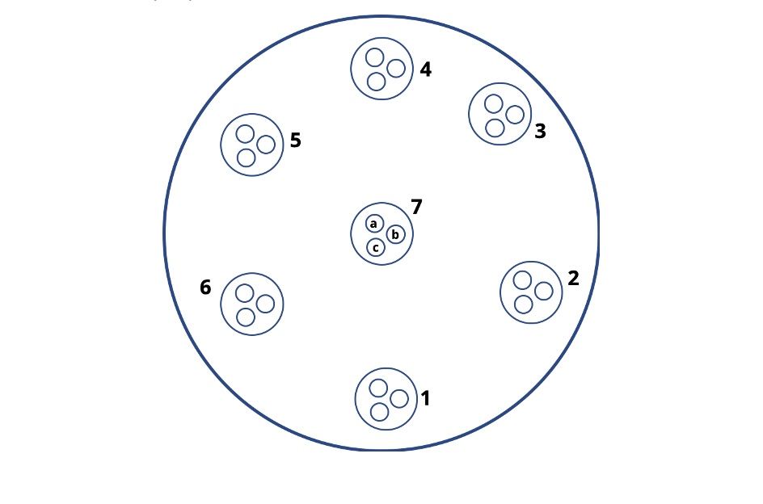
 |  |  |  |  |  |  |  |  |  |  | The results listed above are the average of 3 measurements performed in 7 designated areas throughout the pellet's surface
 |  |  |  |  |  |  |  |  |  |  | The total number of measurements is 21
 |  |  |  |  |  |  |  |  |  |  | HORRAT of ≤ 1 is set as a benchmark for a usable reproducibility

 |  |  |  |  |  |  |  |  |  |  | These data are intended to illustrate an achievable reproducibiity. For calibration and validation purposes please use the values from the product information sheet

 |  |  |  |  |  |  |  |  |  |  | HORRAT = Measured Relative Standard Deviation / Calculated Relative Standard Deviation using the Horwitz equation

 |  |  |  |  |  |  |  |  |  |  | Horwitz, W., Albert, R. (1995). Precision in analytical measurements: Expected values and
 |  |  |  |  |  |  |  |  |  |  |  | and consequences in geochemical analyses. Fresenius Journal of Analytcal Chemistry.
 |  |  |  |  |  |  |  |  |  |  |  | 351:507-513

 |  |  |  |  |  |  |  |  |  |  | Analytical setup

 |  |  |  |  |  |  |  |  |  |  | ICP-MS |  | AttomES HR-ICP-MS, Nu Instruments

 |  |  |  |  |  |  |  |  |  |  | Laser Ablation |  | Resonetics RESOlution M-50-LR 193nm eximer laser.
 |  |  |  |  |  |  |  |  |  |  |  |  | Spot size | 48um
 |  |  |  |  |  |  |  |  |  |  |  |  | Frequency | 5 Hz
 |  |  |  |  |  |  |  |  |  |  |  |  | Fluence | 2.5 J/cm3
 |  |  |  |  |  |  |  |  |  |  |  |  | Ablation time | 40 s
 |  |  |  |  |  |  |  |  |  |  |  |  | Gas blank | 13 s
 |  |  |  |  |  |  |  |  |  |  |  |  | Scan mode | Linked scan
 |  |  |  |  |  |  |  |  |  |  |  |  | Total cycles | 550

 |  |  |  |  |  |  |  |  |  |  | Quantification |  | NIST610

 |  |  |  |  |  |  |  |  |  |  | Internal standard |  | Na

 |  |  |  |  |  |  |  |  |  |  | Data evaluation |  | Iolite 4

 |  |  |  |  |  |  |  |  |  |  | Data were acquired at the University of Bergen, Norway.
 |  |  |  |  |  |  |  |  |  |  | We would like to thank Siv Hjorth Dundas for providing it.
Copyright © 2021 myStandards GmbH. All Rights Reserved.

