Tabelle1
NOD-P1-NP Quantified using NIST 610 as a primary reference Material

[µg/g] | Mg | P | Ca | Sc | V | Fe | Co | Ni | Cu | Ga | As | Rb | Sr | Mo | Cd | Sb | Cs | Ba | Sm | Eu | Gd | Dy | Er | Yb | W | Pb | Th | U

Result 1 | 16733 | 2267 | 19333 | 8.16 | 415 | 58167 | 2067 | 13133 | 12133 | 31.5 | 112 | 30.5 | 521 | 687 | 16.7 | 60.7 | 2.06 | 2167 | 26.6 | 6.22 | 23.6 | 19.8 | 10.6 | 9.69 | 60.0 | 584 | 11.1 | 3.72
Result 2 | 16700 | 2300 | 18933 | 8.03 | 413 | 58333 | 2067 | 12567 | 12167 | 31.5 | 110 | 30.0 | 516 | 684 | 16.7 | 60.9 | 2.09 | 2133 | 25.3 | 6.00 | 23.5 | 19.7 | 10.2 | 9.46 | 60.8 | 592 | 11.5 | 3.75
Result 3 | 16567 | 2367 | 18733 | 7.80 | 414 | 56067 | 2100 | 12500 | 12167 | 31.0 | 113 | 30.6 | 502 | 696 | 16.5 | 60.7 | 2.10 | 2100 | 25.4 | 5.96 | 22.3 | 19.6 | 10.0 | 9.45 | 60.6 | 595 | 11.0 | 3.63
Result 4 | 16333 | 2333 | 18967 | 7.93 | 406 | 56100 | 2100 | 12533 | 11967 | 30.6 | 111 | 30.0 | 503 | 678 | 16.3 | 58.9 | 2.06 | 2067 | 25.3 | 5.67 | 22.3 | 19.2 | 9.77 | 9.31 | 58.4 | 573 | 11.6 | 3.57
Result 5 | 16367 | 2267 | 19167 | 7.87 | 411 | 57533 | 2100 | 12500 | 12067 | 31.0 | 110 | 30.1 | 506 | 682 | 16.2 | 59.5 | 2.15 | 2133 | 25.1 | 5.98 | 22.2 | 20.2 | 10.1 | 9.63 | 61.2 | 579 | 11.7 | 3.65
Result 6 | 16867 | 2367 | 19700 | 8.11 | 420 | 56767 | 2100 | 13033 | 12167 | 31.8 | 112 | 31.0 | 516 | 700 | 16.7 | 60.3 | 2.14 | 2133 | 25.7 | 6.17 | 23.4 | 20.5 | 10.4 | 9.79 | 62.5 | 605 | 12.1 | 3.81
Result 7 | 16800 | 2300 | 19500 | 8.14 | 415 | 56733 | 2033 | 12867 | 12100 | 31.3 | 109 | 30.1 | 518 | 676 | 16.6 | 58.9 | 2.02 | 2133 | 25.5 | 6.01 | 22.8 | 19.8 | 10.3 | 9.69 | 60.7 | 575 | 12.0 | 3.64

Average | 16624 | 2314 | 19190 | 8.01 | 414 | 57100 | 2081 | 12733 | 12110 | 31.2 | 111 | 30.3 | 511 | 686 | 16.5 | 60.0 | 2.09 | 2124 | 25.6 | 6.00 | 22.9 | 19.8 | 10.2 | 9.6 | 60.6 | 586 | 11.6 | 3.68
Standard Error | 79 | 16 | 129 | 0.05 | 2 | 351 | 10 | 103 | 28 | 0.2 | 0.5 | 0.1 | 3 | 3 | 0.1 | 0.3 | 0.02 | 12 | 0.2 | 0.07 | 0.2 | 0.2 | 0.1 | 0.1 | 0.5 | 4 | 0.2 | 0.03
Expansion Factor [k] | 2 | 2 | 2 | 2.00 | 2 | 2 | 2 | 2 | 2 | 2 | 2 | 2 | 2 | 2 | 2 | 2 | 2 | 2 | 2.0 | 2 | 2 | 2 | 2 | 2 | 2 | 2 | 2 | 2
Expanded Uncertainty | 158 | 32 | 258 | 0.11 | 3 | 701 | 20 | 206 | 56 | 0.3 | 1 | 0.3 | 6 | 7 | 0.2 | 0.6 | 0.03 | 24 | 0.4 | 0.13 | 0.5 | 0.3 | 0.2 | 0.1 | 0.9 | 9 | 0.3 | 0.06
Relative expanded Uncertainty [95% CL] | 0.9 | 1.4 | 1.3 | 1.3 | 0.8 | 1.2 | 1.0 | 1.6 | 0.5 | 1.0 | 0.8 | 1.0 | 1.1 | 1.0 | 1.0 | 1.1 | 1.6 | 1.1 | 1.4 | 2.2 | 2.1 | 1.5 | 2.1 | 1.4 | 1.5 | 1.5 | 2.7 | 1.7
Horwitz RSD [%] | 3.7 | 5.0 | 3.6 | 11.7 | 6.5 | 3.1 | 5.1 | 3.9 | 3.9 | 9.5 | 7.9 | 9.6 | 6.3 | 6.0 | 10.5 | 8.6 | 14.3 | 5.1 | 9.8 | 12.2 | 10.0 | 10.2 | 11.3 | 11.4 | 8.6 | 6.1 | 11.1 | 13.1
Horwitz Ratio [HORRAT] | 0.3 | 0.3 | 0.4 | 0.1 | 0.1 | 0.4 | 0.2 | 0.4 | 0.1 | 0.1 | 0.1 | 0.1 | 0.2 | 0.2 | 0.1 | 0.1 | 0.1 | 0.2 | 0.1 | 0.2 | 0.2 | 0.2 | 0.2 | 0.1 | 0.2 | 0.2 | 0.2 | 0.1

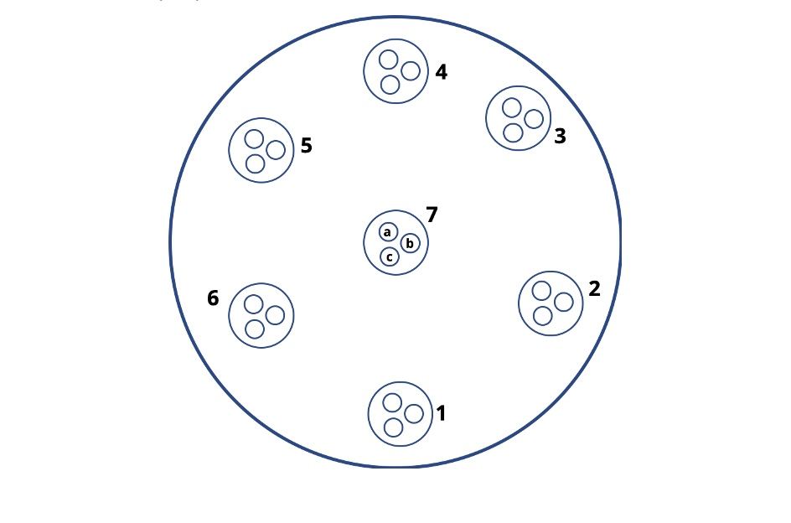
 |  |  |  |  |  |  |  |  |  |  | The results listed above are the average of 3 measurements performed in 7 designated areas throughout the pellet's surface
 |  |  |  |  |  |  |  |  |  |  | The total number of measurements is 21
 |  |  |  |  |  |  |  |  |  |  | HORRAT of ≤ 1 is set as a benchmark for a usable reproducibility

 |  |  |  |  |  |  |  |  |  |  | These data are intended to illustrate an achievable reproducibiity. For calibration and validation purposes please use the values from the product information sheet

 |  |  |  |  |  |  |  |  |  |  | HORRAT = Measured Relative Standard Deviation / Calculated Relative Standard Deviation using the Horwitz equation

 |  |  |  |  |  |  |  |  |  |  | Horwitz, W., Albert, R. (1995). Precision in analytical measurements: Expected values and
 |  |  |  |  |  |  |  |  |  |  |  | and consequences in geochemical analyses. Fresenius Journal of Analytcal Chemistry.
 |  |  |  |  |  |  |  |  |  |  |  | 351:507-513

 |  |  |  |  |  |  |  |  |  |  | Analytical setup

 |  |  |  |  |  |  |  |  |  |  | ICP-MS |  | AttomES HR-ICP-MS, Nu Instruments

 |  |  |  |  |  |  |  |  |  |  | Laser Ablation |  | Resonetics RESOlution M-50-LR 193nm eximer laser.
 |  |  |  |  |  |  |  |  |  |  |  |  | Spot size | 48um
 |  |  |  |  |  |  |  |  |  |  |  |  | Frequency | 5 Hz
 |  |  |  |  |  |  |  |  |  |  |  |  | Fluence | 2.5 J/cm3
 |  |  |  |  |  |  |  |  |  |  |  |  | Ablation time | 40 s
 |  |  |  |  |  |  |  |  |  |  |  |  | Gas blank | 13 s
 |  |  |  |  |  |  |  |  |  |  |  |  | Scan mode | Linked scan
 |  |  |  |  |  |  |  |  |  |  |  |  | Total cycles | 550

 |  |  |  |  |  |  |  |  |  |  | Quantification |  | NIST610

 |  |  |  |  |  |  |  |  |  |  | Internal standard |  | Na

 |  |  |  |  |  |  |  |  |  |  | Data evaluation |  | Iolite 4

 |  |  |  |  |  |  |  |  |  |  | Data were acquired at the University of Bergen, Norway.
 |  |  |  |  |  |  |  |  |  |  | We would like to thank Siv Hjorth Dundas for providing it.
Copyright © 2021 myStandards GmbH. All Rights Reserved.

