Homogeneity Test Single Pellet
Analyte |  | Sr | Apatite-NP 2020-07 B01-80
[µg/g]
Apatite-NP-2020-07-B01-80 1a | 1a | 2103 |  | Zone 1 | Zone 2 | Zone 3 | Zone 4 | Zone 5 | Zone 6 | Zone 7 | Average | SD | RSD [%]
Apatite-NP-2020-07-B01-80 6a | 6a | 2108 | Result 1 (a) | 2103 | 2120 | 2097 | 2146 | 2107 | 2108 | 2100 | 2111 | 17 | 0.8
Apatite-NP-2020-07-B01-80 7a | 7a | 2100 | Result 2 (b) | 2088 | 2092 | 2084 | 2105 | 2111 | 2083 | 2114 | 2097 | 13 | 0.6
Apatite-NP-2020-07-B01-80 2a | 2a | 2120 | Result 3 (c) | 2140 | 2127 | 2068 | 2145 | 2069 | 2118 | 2117 | 2112 | 31 | 1.5
Apatite-NP-2020-07-B01-80 5a | 5a | 2107
Apatite-NP-2020-07-B01-80 3a | 3a | 2097 | Average | 2110 | 2113 | 2083 | 2132 | 2096 | 2103 | 2110 | Summary |  |  |  |  | Student's T
Apatite-NP-2020-07-B01-80 4a | 4a | 2146 | SD | 27 | 18 | 14 | 23 | 23 | 18 | 9 |  |  |  |  |  | 95% CI two-tailed
NIST610- |  | 518 | RSD [%] | 1.3 | 0.9 | 0.7 | 1.1 | 1.1 | 0.9 | 0.4 |  |  |  |  |  | n | k
NIST610- |  | 514 |  |  |  |  |  |  |  |  |  |  |  |  |  | 1 | 12.71
NIST610- |  | 513 |  |  |  |  |  |  |  |  |  | Average | 2107 | [µg/g] |  | 2 | 4.303
Apatite-NP-2020-07-B01-80 3b | 3b | 2084 | Anova: One-way analysis of variance |  |  | α= | 0.05 |  |  |  |  | Standard error | 6 | [µg/g] |  | 3 | 3.182
Apatite-NP-2020-07-B01-80 7b | 7b | 2114 |  |  |  |  |  |  |  |  |  | Exp. Unc. | 12 | [95% CI] |  | 4 | 2.776
Apatite-NP-2020-07-B01-80 2b | 2b | 2092 | SUMMARY |  |  |  |  |  |  |  |  | k | 2 | [-] |  | 5 | 2.571
Apatite-NP-2020-07-B01-80 5b | 5b | 2111 | Groups | Count | Sum | Average | Variance |  |  |  |  | degrees of freedom | 20 | [-] |  | 6 | 2.447
Apatite-NP-2020-07-B01-80 6b | 6b | 2083 | Zone 1 | 3 | 6330 | 2110 | 703 |  |  |  |  |  |  |  |  | 7 | 2.365
Apatite-NP-2020-07-B01-80 1b | 1b | 2088 | Zone 2 | 3 | 6339 | 2113 | 334 |  |  |  |  | rel. Unc. RSD-% | 0.3 | [%] |  | 8 | 2.306
Apatite-NP-2020-07-B01-80 4b | 4b | 2105 | Zone 3 | 3 | 6248 | 2083 | 209 |  |  |  |  | RSD Horwitz | 5.1 | [%] |  | 9 | 2.262
NIST610- |  | 519 | Zone 4 | 3 | 6395 | 2132 | 552 |  |  |  |  | HORRAT | 0.1 | [-] |  | 10 | 2.228
NIST610- |  | 512 | Zone 5 | 3 | 6287 | 2096 | 521 |  |  |  |  |  |  |  |  | >10 | 2
NIST610- |  | 515 | Zone 6 | 3 | 6309 | 2103 | 333 |  |  |  | A HORRAT < 1 is great, between 1 and 2 acceptable and >2 unacceptable |  |  |  | Horwitz, W., Albert, R. (1995). Precision in analytical measurements: Expected values and
Apatite-NP-2020-07-B01-80 5c | 5c | 2069 | Zone 7 | 3 | 6331 | 2110 | 80 |  |  |  |  |  |  |  | and consequences in geochemical analyses. Fresenius Journal of Analytical Chemistry.
Apatite-NP-2020-07-B01-80 7c | 7c | 2117 |  |  |  |  |  |  |  |  |  |  |  |  | 351:507-513
Apatite-NP-2020-07-B01-80 2c | 2c | 2127 |  |  |  |  |  |  |  |  | ASTM-E826-14 Homogeneity Test
Apatite-NP-2020-07-B01-80 3c | 3c | 2068 | ANOVA
Apatite-NP-2020-07-B01-80 6c | 6c | 2118 | Source of Variation | Sum of Squares (SS) | Degrees of freedom | Mean sum of squares | F | P-Value | F crit
Apatite-NP-2020-07-B01-80 1c | 1c | 2140 | Between Groups | 4228 | 6 | 705 | 1.806 | 0.170 | 2.848
Apatite-NP-2020-07-B01-80 4c | 4c | 2145 | Within Groups | 5461 | 14 | 390 |  |  |  |  |  | Number of Measurements per Zone (b) | 3
NIST610- |  | 511 |  |  |  |  |  |  |  |  |  | Number of Zones (t) | 7
NIST610- |  | 520 | Total | 9689 | 20 |  |  |  |  |  |  | Degrees of Freedom (n) | 12
NIST610- |  | 514
 |  |  |  |  |  |  |  |  |  |  |  | SSt | 4228
The analyses were always bracketed by 4 blocks of 3 |  |  | Anova: One-way analysis of variance |  |  |  |  |  |  |  |  | SSb | 1073
measurements of SRM NIST 610 for drift correction. |  |  |  |  |  |  |  |  |  |  |  | SST | 9689
The uppermost block is not shown here. |  |  | SUMMARY
 |  |  | Groups | Count | Sum | Average | Variance |  |  |  |  | s | 19.12
 |  |  | Result 1 (a) | 7 | 14780 | 2111 | 282 |  |  |  |  | q | 4.95
 |  |  | Result 2 (b) | 7 | 14676 | 2097 | 168
 |  |  | Result 3 (c) | 7 | 14784 | 2112 | 986 |  |  |  |  | w | 54.7

 |  |  |  |  |  |  |  |  |  |  |  | maximum(t')-minimum(t') | 49.2
 |  |  | ANOVA |  |  |  |  |  |  |  | The homogeneity test passes if maximum(t') - minimum (t') is < than the "w" value
 |  |  | Source of Variation | Sum of Squares (SS) | Degrees of freedom | Mean sum of squares | F | P-Value | F crit
 |  |  | Between Groups | 1073 | 2 | 537 | 1.121 | 0.35 | 3.555 |  | ASTM E826-14: Standard Practice for Testing Homogeneity of a Metal Lot or Batch in Solid
 |  |  | Within Groups | 8616 | 18 | 479 |  |  |  |  | form by Spark Atomic Emission Spectroscopy. ASTM International, West Conshohocken, PA, 2014
 |  |  |  |  |  |  |  |  |  |  | www.astm.org
 |  |  | Total | 9689 | 20

 |  |  | This type of homogeneity Test was performed on a total of 10 Apatite-NP Nano-Pellets. LA-ICP-MS data quantified using NIST 610 and Ca as internal standard.
 |  |  | The amount of pellets needed varies with the amount of pellets produced.
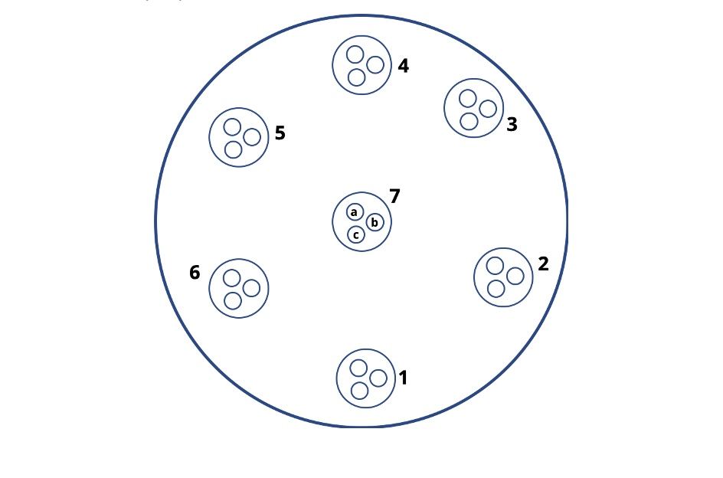

 |  |  | Ablation pattern on the pellet surface

Copyright © 2022 myStandards GmbH. All Rights Reserved.

